Charts
HR Analytics Dashboard

Average Wage per Department | Average Male Wage | Average Female Wage | Average Non-Binary Wage | Average Age | Min. Wage | Max. Wage | Median of Performance | Median of Years | Median Training Hours
R$ 40,083.17 | R$ 40,949.66 | R$ 39,800.12 | R$ 41,361.93 | 41 | R$ 20,784.00 | R$ 59,970.00 | 3.14 | 11.04 | 1900-01-27 10:04:48
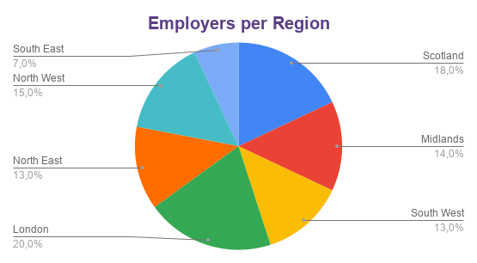
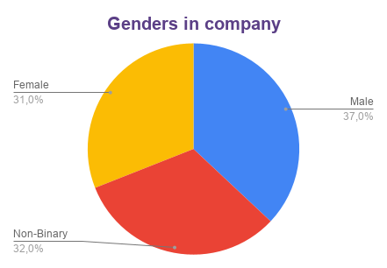

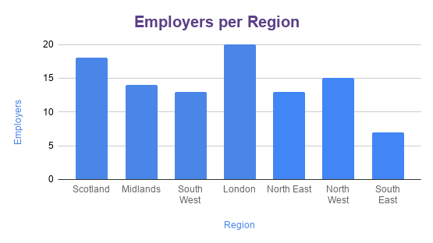
Wage vs Age

Dashboard
Department | Gender | Region |  | Choose categories to generate a filtered table. To create the lists, I used named ranges hidden in column L.
IT | Female | North East

 |  |  |  | This table contains information from the selected categories in <Categories />.
Employee ID | Department | Region | Gender | Age | Position | Wage | Performance evaluation | Years of service | Training hours
EMP1046 | IT | North East | Female | 57 | Finance Specialist | R$ 47,115.00 | 3 | 18 | 12
EMP1063 | IT | North East | Female | 56 | Marketing Specialist | R$ 34,958.00 | 1 | 4 | 19

Employee Performance & Experience Overview

